Dashboard1.0
PROFILES OF CHURNERS IN TERMS OF DEMOGRAPHIC INFO

Kindly change settings to Multi Select for all the sliders.

Variation of Churners with Region
 | Count of Customers | Count of Churners
Northern | 4409 | 230
Eastern | 4122 | 221
Western | 1208 | 42
Southern | 227 | 13
VARIATION OF CHURN RATE WITH AGE
 | Total
14-19 | 7.94%
20-25 | 6.48%
26-31 | 7.39%
32-37 | 5.41%
38-43 | 5.04%
44-49 | 4.92%
50-55 | 4.67%
56-61 | 3.61%
62-67 | 3.31%
68-73 | 4.84%
74-79 | 1.52%
80-85 | 2.06%
86-91 | 2.94%
92-98 | 9.09%

VARIATION OF CHURN RATE WITH SALARY SLAB
 | Total
1 | 5.86%
2 | 7.24%
3 | 4.70%
4 | 5.99%
5 | 4.00%
6 | 4.03%
7 | 3.97%
8 | 4.33%
9 | 2.99%
10 | 0.00%
11 | 0.00%
12 | 0.00%
13 | 3.23%
VARIATION OF CHURN RATE WITH SERVICE PLAN
 | Number of Churners | Number of Customers
PWR | 80 | 1824
PPL | 98 | 1815
PRM | 76 | 1397
KLA | 38 | 968
CNN | 47 | 916
CHC | 38 | 774
POP | 21 | 464
PRP | 27 | 444
PRR | 25 | 442
MXX | 27 | 299
PWM | 7 | 296
PWP | 4 | 201
ESS | 17 | 111
PMM | 1 | 15

VARIATION WITH PROFESSION
 | Number of Churners | Number of Customers
Academics | 13 | 364
Accounting | 0 | 20
Automative | 0 | 1
Banking | 37 | 877
Defence | 1 | 8
Financial Sector | 43 | 1454
General Labour | 0 | 10
Other | 7 | 77
Pharmacueticals | 3 | 152
VARIATION OF CHURNERS WITH GENDER
 | Number of Customers | Number of Churners
Female | 3963 | 203
Male | 4635 | 210

VARIATION OF CHURN RATE WITH AGE OF HOME
 | Total
1-5 | 6.21%
6-10 | 7.15%
11-15 | 5.74%
16-20 | 4.07%
21-25 | 3.17%
VARIATION WITH POST LIMIT UTILAIZATION
 | Total
0-100 | 4.47%
100-200 | 5.66%
200-300 | 5.78%
300-400 | 5.81%
400-500 | 5.94%
>500 | 0.00%

SCHEMES WITH AVERAGE CHURN MORE THAN THAT OF WHOLE POPULATION
 | Total
ESS | 15.32%
MXX | 9.03%
PMM | 6.67%
PRP | 6.08%
PRR | 5.66%
PRM | 5.44%
PPL | 5.40%
CNN | 5.13%
VARIATION OF CHURNERS WITH USAGE PATTERN IN HRS
 | Count of Churners | Count of Customers
1-101 | 16 | 135
101-201 | 10 | 145
201-301 | 15 | 129
301-401 | 31 | 280
401-501 | 68 | 488
501-601 | 104 | 1867
601-701 | 172 | 5023
701-801 | 40 | 1570

5.08%
Average Churn of Whole Population

VARIATION WITH DATES
 | Total
2015-04-04 | 6
2015-04-05 | 12
2015-04-06 | 7
2015-04-07 | 10
2015-04-08 | 18
2015-04-09 | 6
2015-04-10 | 16
2015-04-11 | 6
2015-04-12 | 9
2015-04-13 | 8
2015-04-14 | 6
2015-04-15 | 11
2015-04-16 | 4
2015-04-17 | 3
2015-04-18 | 6
2015-04-19 | 10
2015-04-20 | 9
2015-04-21 | 9
2015-04-22 | 13
2015-04-23 | 8
2015-04-24 | 4
2015-04-25 | 15
2015-04-26 | 12
2015-04-27 | 6
2015-04-28 | 13
2015-04-29 | 11
2015-04-30 | 6
2015-05-01 | 10
2015-05-02 | 14
2015-05-03 | 10
2015-05-04 | 9
2015-05-05 | 12
2015-05-06 | 9
2015-05-07 | 9
2015-05-08 | 2
2015-05-09 | 11
2015-05-10 | 9
2015-05-11 | 10
2015-05-12 | 15
2015-05-13 | 7
2015-05-14 | 3
2015-05-16 | 7
2015-05-17 | 9
2015-05-18 | 10
2015-05-19 | 8
2015-05-20 | 12
2015-05-21 | 6
2015-05-22 | 8
2015-05-23 | 10
2015-05-24 | 8
...

Dashboard2.0
PROFILES OF CUSTOMERS WHO WERE MOVED TO DEFAULTS AND THEREAFTER CHURNED

VARIATION WITH REGIONS
 | Total
Eastern | 33
Northern | 29
Southern | 4
Western | 7
Variaion with service plans
 | April | May
CHC | 4 | 4
CNN | 4 | 4
ESS | 2
KLA | 1 | 4
MXX |  | 3
POP | 2 | 2
PPL | 4 | 3
PRM | 7 | 4
PRP | 3 | 2
PRR | 2 | 2
PWM |  | 1
PWR | 5 | 10
Kindly change settings to Multi Select for all the sliders.

VARIATION WITH AGE
 | Total
14-18 | 1
19-23 | 1
24-28 | 2
29-33 | 5
34-38 | 10
39-43 | 7
44-48 | 8
49-53 | 8
54-58 | 3
59-63 | 5
64-68 | 3
69-73 | 4
84-88 | 1
VARIATION WITH SALARY SLAB
 | Total
1 | 5
2 | 4
3 | 17
4 | 12
5 | 9
6 | 13
7 | 3

VARIATION WITH PROFESSION
 | Total
Academics | 3
Banking | 4
Financial Sector | 4
VARIATION WITH AGE
 | Total
1-5 | 11
6-10 | 14
11-15 | 13
16-20 | 10
21-25 | 15

VARIATION WITH DATES
 | Total
2015-04-05 | 2
2015-04-06 | 2
2015-04-08 | 1
2015-04-09 | 1
2015-04-10 | 3
2015-04-11 | 1
2015-04-12 | 2
2015-04-14 | 3
2015-04-15 | 1
2015-04-19 | 2
2015-04-22 | 5
2015-04-23 | 3
2015-04-25 | 4
2015-04-27 | 2
2015-04-28 | 1
2015-04-29 | 1
2015-05-01 | 5
2015-05-02 | 1
2015-05-04 | 1
2015-05-05 | 1
2015-05-06 | 2
2015-05-07 | 2
2015-05-08 | 1
2015-05-09 | 5
2015-05-10 | 1
2015-05-12 | 2
2015-05-14 | 2
2015-05-16 | 1
2015-05-19 | 2
2015-05-20 | 3
2015-05-22 | 1
2015-05-24 | 2
2015-05-27 | 1
2015-05-28 | 2
2015-05-29 | 2
2015-05-30 | 2
VARIATION WITH GENDER
 | Total
Female | 33
Male | 30

Dashboard3.0
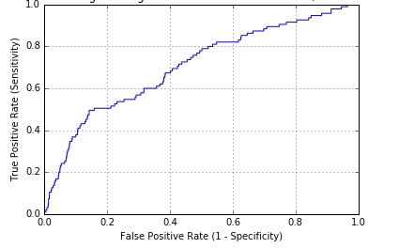
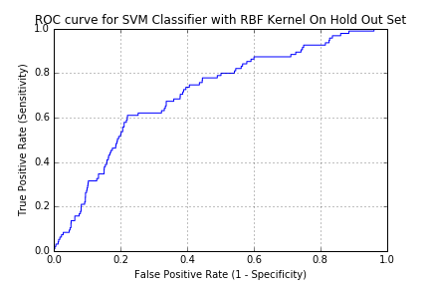
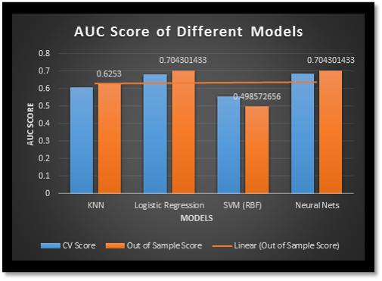
Miscellaneous

KNN Classifier ROC on Hold Out Dataset
Neural Network Classifier ROC on Hold Out Dataset

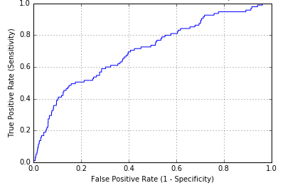
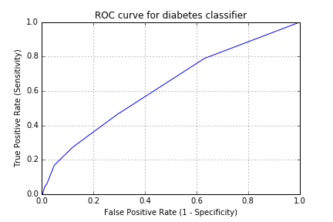
s

Logistc Regression Classifier ROC on Hold Out Dataset
SVM Classifier ROC on Hold Out Dataset

Partition1
0

JUST PARTITION SHEET

Date Default
VARIATION WITH DATES
Churner | 1
Default times | (Multiple Items)

Row Labels | Sum of Churner
2015-04-05 | 2
2015-04-06 | 2
2015-04-08 | 1
2015-04-09 | 1
2015-04-10 | 3
2015-04-11 | 1
2015-04-12 | 2
2015-04-14 | 3
2015-04-15 | 1
2015-04-19 | 2
2015-04-22 | 5
2015-04-23 | 3
2015-04-25 | 4
2015-04-27 | 2
2015-04-28 | 1
2015-04-29 | 1
2015-05-01 | 5
2015-05-02 | 1
2015-05-04 | 1
2015-05-05 | 1
2015-05-06 | 2
2015-05-07 | 2
2015-05-08 | 1
2015-05-09 | 5
2015-05-10 | 1
2015-05-12 | 2
2015-05-14 | 2
2015-05-16 | 1
2015-05-19 | 2
2015-05-20 | 3
2015-05-22 | 1
2015-05-24 | 2
2015-05-27 | 1
2015-05-28 | 2
2015-05-29 | 2
2015-05-30 | 2
Grand Total | 73

Age of home default
Churner | 1
Default times | (Multiple Items)

VARIATION WITH AGE
Row Labels | Sum of Churner
1-5 | 11
6-10 | 14
11-15 | 13
16-20 | 10
21-25 | 15
Grand Total | 63

Gender Default
Churner | 1
Default times | (Multiple Items)
VARIATION WITH GENDER
Row Labels | Sum of Churner
Female | 33
Male | 30
Grand Total | 63

Profession Default
VARIATION WITH PROFESSION
Churner | 1
Default times | (Multiple Items)

Row Labels | Sum of Churner
Academics | 3
Banking | 4
Financial Sector | 4
Grand Total | 11

Salary Default
Default times | (Multiple Items)
Churner | 1
VARIATION WITH SALARY SLAB
Row Labels | Sum of Churner
1 | 5
2 | 4
3 | 17
4 | 12
5 | 9
6 | 13
7 | 3
Grand Total | 63

Age Default
VARIATION WITH AGE
Default times | (Multiple Items)
Churner | 1

Row Labels | Sum of Churner
14-18 | 1
19-23 | 1
24-28 | 2
29-33 | 5
34-38 | 10
39-43 | 7
44-48 | 8
49-53 | 8
54-58 | 3
59-63 | 5
64-68 | 3
69-73 | 4
84-88 | 1
Grand Total | 58

Region Default
Default times | (Multiple Items)
Churner | 1

VARIATION WITH REGION
Row Labels | Sum of Churner
Eastern | 33
Northern | 29
Southern | 4
Western | 7
Grand Total | 73

Scheme Default
Churner | 1
Default times | (Multiple Items)

 | April | May
CHC | 4 | 4
CNN | 4 | 4
ESS | 2
KLA | 1 | 4
MXX |  | 3
POP | 2 | 2
PPL | 4 | 3
PRM | 7 | 4
PRP | 3 | 2
PRR | 2 | 2
PWM |  | 1
PWR | 5 | 10
Count of Churner | Column Labels
Row Labels | April | May | Grand Total
CHC | 4 | 4 | 8
CNN | 4 | 4 | 8
ESS | 2 |  | 2
KLA | 1 | 4 | 5
MXX |  | 3 | 3
POP | 2 | 2 | 4
PPL | 4 | 3 | 7
PRM | 7 | 4 | 11
PRP | 3 | 2 | 5
PRR | 2 | 2 | 4
PWM |  | 1 | 1
PWR | 5 | 10 | 15
Grand Total | 34 | 39 | 73

Partition2
0

JUST TO CREATE PARTITION

Post limit utilization
VARIATION WITH POST LIMIT UTILAIZATION
Row Labels | Average of Churner
0-100 | 4.47%
100-200 | 5.66%
200-300 | 5.78%
300-400 | 5.81%
400-500 | 5.94%
>500 | 0.00%
Grand Total | 4.73%

Variation with Dates
VARIATION WITH DATES
Row Labels | Sum of Churner
2015-04-04 | 6
2015-04-05 | 12
2015-04-06 | 7
2015-04-07 | 10
2015-04-08 | 18
2015-04-09 | 6
2015-04-10 | 16
2015-04-11 | 6
2015-04-12 | 9
2015-04-13 | 8
2015-04-14 | 6
2015-04-15 | 11
2015-04-16 | 4
2015-04-17 | 3
2015-04-18 | 6
2015-04-19 | 10
2015-04-20 | 9
2015-04-21 | 9
2015-04-22 | 13
2015-04-23 | 8
2015-04-24 | 4
2015-04-25 | 15
2015-04-26 | 12
2015-04-27 | 6
2015-04-28 | 13
2015-04-29 | 11
2015-04-30 | 6
2015-05-01 | 10
2015-05-02 | 14
2015-05-03 | 10
2015-05-04 | 9
2015-05-05 | 12
2015-05-06 | 9
2015-05-07 | 9
2015-05-08 | 2
2015-05-09 | 11
2015-05-10 | 9
2015-05-11 | 10
2015-05-12 | 15
2015-05-13 | 7
2015-05-14 | 3
2015-05-16 | 7
2015-05-17 | 9
2015-05-18 | 10
2015-05-19 | 8
2015-05-20 | 12
2015-05-21 | 6
2015-05-22 | 8
2015-05-23 | 10
2015-05-24 | 8
2015-05-25 | 7
2015-05-26 | 7
2015-05-27 | 10
2015-05-28 | 7
2015-05-29 | 6
2015-05-30 | 14
2015-05-31 | 3
(blank) | 0
Grand Total | 506

Schemes2
SCHEMES WITH AVERAGE CHURN MORE THAN THAT OF WHOLE POPULATION(5.08%)
Row Labels | Average of Churner
ESS | 15.32%
MXX | 9.03%
PMM | 6.67%
PRP | 6.08%
PRR | 5.66%
PRM | 5.44%
PPL | 5.40%
CNN | 5.13%
Grand Total | 5.85%

use pattern hrs
Variation of Usage Pattern in hrs with Churners
Row Labels | Count of Churners | Count of Customers
1-101 | 16 | 135
101-201 | 10 | 145
201-301 | 15 | 129
301-401 | 31 | 280
401-501 | 68 | 488
501-601 | 104 | 1867
601-701 | 172 | 5023
701-801 | 40 | 1570
Grand Total | 456 | 9637

Age of home
Variation of Churn Rate with Age of Home
Row Labels | Average of Churner
1-5 | 6.21%
6-10 | 7.15%
11-15 | 5.74%
16-20 | 4.07%
21-25 | 3.17%
Grand Total | 0.048287869994

Region
Variation of Churners with Region
Row Labels | Count of Customers | Count of Churners
Northern | 4409 | 230
Eastern | 4122 | 221
Western | 1208 | 42
Southern | 227 | 13
Grand Total | 9966 | 506

Scheme1
Variation of Churners with Schemes
Row Labels | Number of Churners | Number of Customers
PWR | 80 | 1824
PPL | 98 | 1815
PRM | 76 | 1397
KLA | 38 | 968
CNN | 47 | 916
CHC | 38 | 774
POP | 21 | 464
PRP | 27 | 444
PRR | 25 | 442
MXX | 27 | 299
PWM | 7 | 296
PWP | 4 | 201
ESS | 17 | 111
PMM | 1 | 15
Grand Total | 506 | 9966

 | 0.049095607235

Age
Variation of Churners with Age
Row Labels | Average of Churner
14-19 | 7.94%
20-25 | 6.48%
26-31 | 7.39%
32-37 | 5.41%
38-43 | 5.04%
44-49 | 4.92%
50-55 | 4.67%
56-61 | 3.61%
62-67 | 3.31%
68-73 | 4.84%
74-79 | 1.52%
80-85 | 2.06%
86-91 | 2.94%
92-98 | 9.09%
Grand Total | 4.66%

Salary
Variation of Churners Rate with Salary Slab
Row Labels | Average of Churner
1 | 5.86%
2 | 7.24%
3 | 4.70%
4 | 5.99%
5 | 4.00%
6 | 4.03%
7 | 3.97%
8 | 4.33%
9 | 2.99%
10 | 0.00%
11 | 0.00%
12 | 0.00%
13 | 3.23%
Grand Total | 4.83%

Profession
VARIATION WITH PROFESSION
Row Labels | Number of Churners | Number of Customers
Academics | 13 | 364
Accounting | 0 | 20
Automative | 0 | 1
Banking | 37 | 877
Defence | 1 | 8
Financial Sector | 43 | 1454
General Labour | 0 | 10
Other | 7 | 77
Pharmacueticals | 3 | 152
Grand Total | 104 | 2963

Gender
Row Labels | Number of Customers | Number of Churners
Female | 3963 | 203
Male | 4635 | 210
Grand Total | 8598 | 413

Variation of Churners with Gender

